BoM Entries
Classification: (if proprietary) |  |  |  |  |  | NOTES:
Satellite Name
Material | Quantity | Unit* Mass (g) | Total Mass (g) | Unit Surface Area cm2 | Usage | Surface area not required for non-coated metallics, ceramics or metallics and ceramics using NASA approved coatings (e.g. typical aerospace industry coatings- anodize, chemfilm, alodine, electro-less nickel plated)
Aluminum 6061 | 1 | 500 | 500 | NR | CubeSat Structure | Metallics coated with silver or cadium are not permitted for use by NASA
18-8 Stainless Steel | 4 | 20 | 80 | NR | Rods | Estimate the mass and surface area for use of any secondary locking compounds applied for staking of bolts or components. Surface area estimate not required if applied for purpose of thread locking, since threads are not exposed to vacuum.
18-8 Stainless Steel | 28 | 3 | 84 | NR | Standoffs
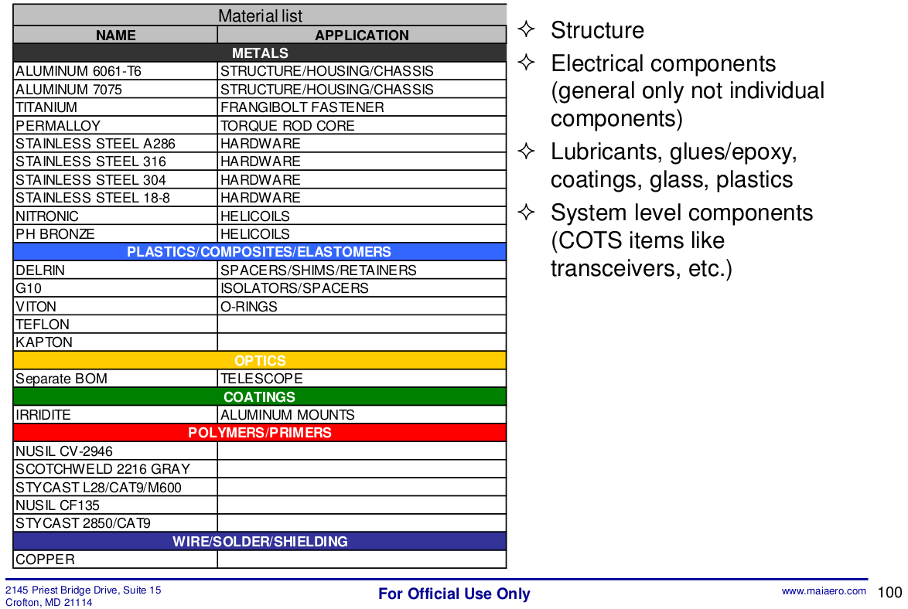
18-8 Stainless Steel | 50 | 0.8 | 40 | NR | Fasteners
ThermoPlastic/Stainless Steel | 4 | 7 | 28 | 40.0 | Separation Switches
Stainless Steel | 1 | 17 | 17 | NR | RBF pin
Brass | 1 | 50 | 50 | 35.0 | Reaction Wheel Flywheel
Alucoat 650 Coated Aluminum | 1 | 10 | 10 | 42.0 | Reaction Wheel Housing
Brass | 1 | 8 | 8 | 11.0 | Magnetometer Boom
Alucoat 650 Coated Aluminum | 1 | 7 | 7 | 44.0 | Magetometer Structure and Housing
FR4 - Elpemer AS 2467 | 6 | 1 | 6 | 1.0 | Coarse Sun Sensor
Supra 50 | 2 | 10 | 20 | 10.0 | Magnetorquer Core
Enamel Coated Copper | 2 | 10 | 20 | 10.0 | Magnetorquer Coiling
Alucoat 650 Coated Aluminum | 4 | 8 | 32 | 8.0 | Magnetorquer End Caps
Alucoat 650 Coated Aluminum | 1 | 10 | 10 | 86.0 | Magnetic Coil Structure
Enamel Coated Copper | 1 | 36 | 36 | 20.0 | Magnetic Coil Coiling
FR4 - Elpemer AS 2467 | 3 | 55 | 165 | 175.0 | ADCS PCB (CubeControl, CubeSense, & CubeComputer)
PCB Material (FR4) | 6 | approx | 61.2 |  | Solar Panels
 | 28 | 2.27 | 63.56 | 27*___(tbd) | XTJ Prime Solar Cells
 | 12 | 0.75 | 9 | 1*___(tbd) | TrosolX Solar Wing Solar Cells
Aluminum 6082 | 1 | 90 | 90 | 177.2 | Primary Radio
FR-4 Substrate | 1 | 54 | 54 | 184.4 | PCB
Silica(Amorphous)A | 2 | 0.35702 | 0.71404 | 2.6 | Microcontroller - STM32F411RC6
Silica(Amorphous)A | 4 | 0.54 | 2.16 |  | Memory
Silica(Amorphous)A | 1 | 0.008 | 0.008 |  | Linear Voltage Regulator - AP7313
Silica(Amorphous)A | 7 | 0.129 | 0.903 |  | Buffer - SN74LS125ADR
Silica(Amorphous)A | 2 | 0.0745 | 0.149 |  | Buffer - PCA9517AD118
copper, Rogers 4003, FR4 370HR, stainless steel, etc. | 1 |  | 260 | "Mezanine Board": 26.95 in^2 | Software-Defined Radio
flexible polymer | 1 | 700 | 700 | 288 | Antennae
PCB layers, copper, etc | 1 | 68.15 | 68.15 | 84.351 | Payload Board
EPS
PCB material - FR4 | 1 | 34.8 | 34.8 | 83.9 | PCB (one side)
Aluminum 6061 | 1 | 72 | 72 | - | EPS box
NC-SMQ 92H solder paste | 1 | 1 | 1 | 1 | Solder paste
Black Glass Filled Polyester (see datasheet) | 1 | 31.6 | 31.6 | 42 | PC 104 Connector (insulator material) (http://suddendocs.samtec.com/catalog_english/esq_th.pdf)
High Termoplatic Thermoplastic resin (see datasheet) | 9 | 0.3 | 2.7 | - | connectors (http://bg.farnell.com/molex/53261-0471/wire-board-connector-header-4pos/dp/2424535?mckv=sBVXa6kQi_dc|pcrid|93196729276|kword|53261%200471|match|p|plid|&CMP=KNC-GBG-GEN-SKU-MOLEX&DM_PersistentCookieCreated=true&gclid=Cj0KCQjw9afOBRDWARIsAJW4nvyeg_RIJQo7JQt4OeyoRIKf3Q2n4Pk5UAv5hqWSUEikG8ZtKXl78HwaAkAiEALw_wcB)
Stainless steel 10.9 | 2 | 0.9 | 1.8 | - | M3 fasteners
Common circuit board components materials (capacitors, resistors, inductors, etc.) | 1 | 10 | 10 |  | Components
Battery pack (2x)
PCB material - FR4 | 1 | 15.3 | 15.3 | 58.8 | PCB
Loctite Stycast 4350 | 1 | 7.5 | 7.5 | 52.3 | Thermal conductive silicon rubber
NC-SMQ 92H solder paste | 1 | 0.5 | 0.5 | 0.5 | Solder paste
Li-po batteries | 2 | 25 | 50 | - | Batteries
Brass | 2 | 0.3 | 0.6 | - | Spacers
Common circuit board components materials (capacitors, resistors, inductors, etc.) | 1 | 3 | 3 |  | Components

 |  | total mass | 2653.64404 | grams

